Sheet2
PACKING LIST
Exporter : |  |  |  |  |  | Invoice No.
 |  |  |  |  |  | Date : 12/04/2023
TIRUPUR-641602 |  |  |  |  |  | Order No./Style No. & Date
MENS T-SHIRT
Carton NO. |  | STYLE ID | FABRIC | COLOUR | XS | S | M | L | XL |  | Total PCS. | No. of CTNS. | Total GRSW | Total NTW
1 TO 5 | 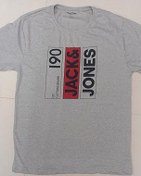 | 152 | 60%CTN, 40%POLY RECYCLED S/J 160 GSM | LT.GREY | 100 | 100 | 100 | 100 | 100 |  | 500 | 5 | 90 | 100
6 TO 10 |  |  |  |  | XS-98 + S-2 | 100 | M-92 + S-1 + L-7 | 100 | 100 |  | 500 | 5 | 90 | 100
11 TO 15 |  | 159 | 60%CTN, 40%POLY RECYCLED S/J 160 GSM | LT.GREY | 100 | 100 | 100 | 100 | 100 |  | 500 | 5 | 90 | 100
16 TO 20 | 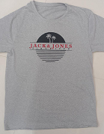 |  |  |  | 100 | 100 | 100 | L-99 + M-1 | 100 |  | 500 | 5 | 90 | 100
21 TO 25 | 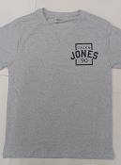 | 164 | 60%CTN, 40%POLY RECYCLED S/J 160 GSM | LT.GREY | 100 | 100 | 100 | 100 | 100 |  | 500 | 5 | 90 | 100
26 TO 30 |  |  |  |  | 100 | 100 | 100 | L-97 +M-3 | XL-99 + M1 |  | 500 | 5 | 90 | 100
31 TO 34 | 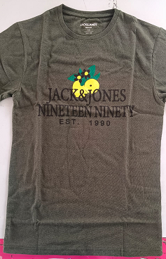 | 176 | 60%CTN, 40%POLY RECYCLED S/J 160 GSM | OLIVE | XS-80 + S-20 | S-60 + M-40 | M-40 + L-60 | L-20 + XL-80 | 0 |  | 400 | 4 | 72 | 80
35 TO 44 | 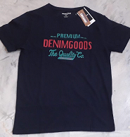 | 178 | 60%CTN, 40%POLY RECYCLED S/J 160 GSM | NAVY | 200 | 200 | 200 | 200 | 200 |  | 1000 | 10 | 180 | 200
45 TO 54 | 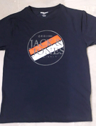 | 183 | 60%CTN, 40%POLY RECYCLED S/J 160 GSM | NAVY | 200 | 200 | 200 | 200 | 200 |  | 1000 | 10 | 180 | 200
55 TO 59 | 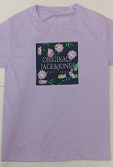 | 189 | 60%CTN, 40%POLY RECYCLED S/J 160 GSM | LAVENDER | 100 | 100 | 100 | 100 | 100 |  | 500 | 5 | 90 | 100
60 TO 64 |  |  |  |  | 100 | S-71+ XS-19+ M-10 | 100 | 100 | 100 |  | 500 | 5 | 90 | 100
65 TO 83 | 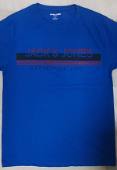 | 195 | 60%CTN, 40%POLY RECYCLED S/J 160 GSM | R/BLUE | 400 | 400 | 300 | 400 | 400 | 0 | 1900 | 19 | 342 | 380
84 |  |  |  |  |  |  | M-97 +XS-1 + S-1 +L-1 |  |  |  | 100 | 1 | 18 | 20
85 TO 104 | 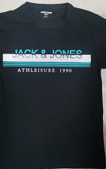 |  | 60%CTN, 40%POLY RECYCLED S/J 160 GSM | BLACK | 400 | 400 | 400 | 400 | 400 |  | 2000 | 20 | 360 | 400
105 TO 124 | 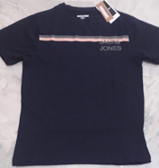 | 196 | 60%CTN, 40%POLY RECYCLED S/J 160 GSM | NAVY | 400 | 400 | 400 | 400 | 400 |  | 2000 | 20 | 360 | 400
125 TO 144 | 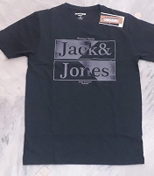 | 197 | 60%CTN, 40%POLY RECYCLED S/J 160 GSM | GREEN | 400 | 400 | 400 | 400 | 400 |  | 2000 | 20 | 360 | 400
145 TO 164 | 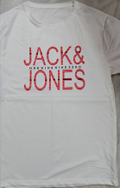 | 198 | 60%CTN, 40%POLY RECYCLED S/J 160 GSM | WHITE | 400 | 400 | 400 | 400 | 400 |  | 2000 | 20 | 360 | 400
165 TO 184 | 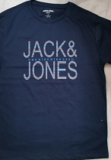 |  | 60%CTN, 40%POLY RECYCLED S/J 160 GSM | NAVY | 400 | 400 | 400 | 400 | 400 |  | 2000 | 20 | 360 | 400
185 TO 202 | 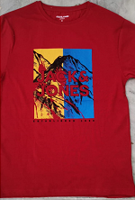 | 199 | 60%CTN, 40%POLY RECYCLED S/J 160 GSM | RED | 400 | 300 | 300 | 400 | 400 |  | 1800 | 18 | 324 | 360
203 TO 204 |  |  |  |  |  | S99 + XS1 | M-94+ XS-2+ S-2+ L-1+ XL-1 |  |  |  | 200 | 2 | 36 | 40
205 TO 224 | 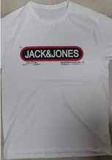 | 201 | 60%CTN, 40%POLY RECYCLED S/J 160 GSM | WHITE | 400 | 400 | 400 | 400 | 400 |  | 2000 | 20 | 360 | 400
225 TO 244 | 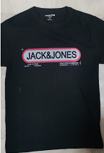 |  | 60%CTN, 40%POLY RECYCLED S/J 160 GSM | BLACK | 400 | 400 | 400 | 400 | 400 |  | 2000 | 20 | 360 | 400
245 TO 264 | 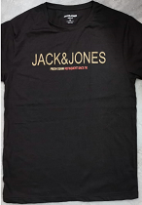 | 202 | 60%CTN, 40%POLY RECYCLED S/J 160 GSM | C/BROWN | 400 | 400 | 400 | 400 | 400 |  | 2000 | 20 | 360 | 400
265 TO 284 | 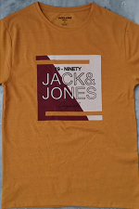 | 203 | 60%CTN, 40%POLY RECYCLED S/J 160 GSM | YELLOW | 400 | 400 | 400 | 400 | 400 |  | 2000 | 20 | 360 | 400
285 TO 304 | 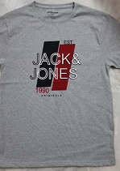 | 204 | 60%CTN, 40%POLY RECYCLED S/J 160 GSM | LT.GREY | 400 | 400 | 400 | 400 | 400 |  | 2000 | 20 | 360 | 400
305 TO 324 | 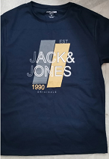 |  | 60%CTN, 40%POLY RECYCLED S/J 160 GSM | NAVY | 400 | 400 | 400 | 400 | 400 |  | 2000 | 20 | 360 | 400
325 TO 341 | 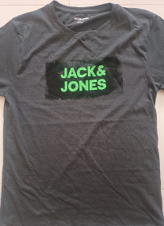 | 205 | 60%CTN, 40%POLY RECYCLED S/J 160 GSM | DK.GREY | 400 | 400 | 300 | 300 | 300 |  | 1700 | 17 | 306 | 340
342 TO 344 |  |  |  |  |  |  | M-97 + S-3 | L-99 + S-1 | XL-95 + L-4 + XS-1 |  | 300 | 3 | 54 | 60
345 TO 363 | 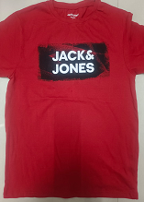 |  | 60%CTN, 40%POLY RECYCLED S/J 160 GSM | RED | 400 | 400 | 400 | 300 | 400 |  | 1900 | 19 | 342 | 380
364 |  |  |  |  |  |  |  | L-98+ M-2 |  |  | 100 | 1 | 18 | 20
365 TO 382 | 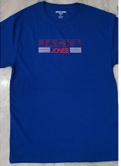 | 206 | 60%CTN, 40%POLY RECYCLED S/J 160 GSM | R.BLUE | 400 | 400 | 300 | 400 | 300 |  | 1800 | 18 | 324 | 360
383 TO 384 |  |  |  |  |  |  | M-98 +S-2 |  | XL-94 +L-6 |  | 200 | 2 | 36 | 40
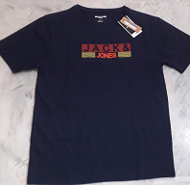 385 TO 389 |  |  | 60%CTN, 40%POLY RECYCLED S/J 160 GSM | NAVY | 100 | 100 | 100 | 100 | 100 |  | 500 | 5 | 90 | 100
390 |  |  |  |  | 20 | 20 | 20 | 20 | 20 |  | 100 | 1 | 18 | 20
391 TO 409 | 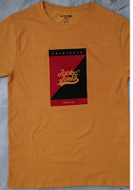 | 207 | 60%CTN, 40%POLY RECYCLED S/J 160 GSM | YELLOW | 400 | 400 | 400 | 400 | 300 |  | 1900 | 19 | 342 | 380
410 |  |  |  |  |  |  |  |  | XL-96 + L-4 |  | 100 | 1 | 18 | 20
411 TO 430 | 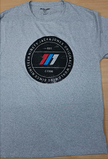 | 208 | 60%CTN, 40%POLY RECYCLED S/J 160 GSM | L/GREY | 400 | 400 | 400 | 400 | 400 |  | 2000 | 20 | 360 | 400
431 TO 450 | 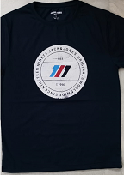 |  | 60%CTN, 40%POLY RECYCLED S/J 160 GSM | NAVY | 400 | 400 | 400 | 400 | 400 |  | 2000 | 20 | 360 | 400
451 TO 470 | 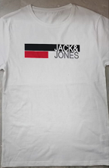 | 209 | 60%CTN, 40%POLY RECYCLED S/J 160 GSM | WHITE | 400 | 400 | 400 | 400 | 400 |  | 2000 | 20 | 360 | 400
471 TO 490 | 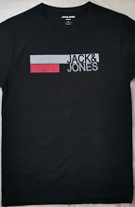 |  | 60%CTN, 40%POLY RECYCLED S/J 160 GSM | BLACK | 400 | 400 | 400 | 400 | 400 |  | 2000 | 20 | 360 | 400
491 TO 510 | 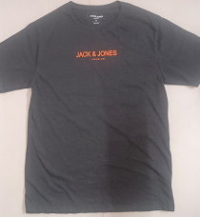 | 210 | 60%CTN, 40%POLY RECYCLED S/J 160 GSM | D/GREY | 400 | 400 | 400 | 400 | 400 |  | 2000 | 20 | 360 | 400
511 TO 530 | 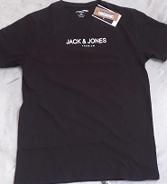 |  | 60%CTN, 40%POLY RECYCLED S/J 160 GSM | C/BROWN | 400 | 400 | 400 | 400 | 400 |  | 2000 | 20 | 360 | 400
531 TO 540 | 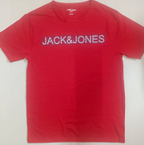 | 211 | 60%CTN, 40%POLY RECYCLED S/J 160 GSM | RED | 200 | 200 | 200 | 200 | 200 |  | 1000 | 10 | 180 | 200
541 TO 557 | 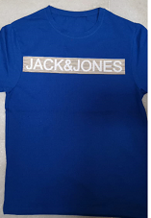 |  | 60%CTN, 40%POLY RECYCLED S/J 160 GSM | R/BLUE | 400 | 300 | 300 | 400 | 300 | 0 | 1700 | 17 | 306 | 340
558 TO 560 |  |  |  |  |  | S-98 +XS-2 | M-99 +L-1 |  | XL-97 +XS-3 | 0 | 300 | 3 | 54 | 60
561 TO 580 | 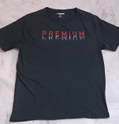 | 213 | 60%CTN, 40%POLY RECYCLED S/J 160 GSM | GREEN | 400 | 400 | 400 | 400 | 400 |  | 2000 | 20 | 360 | 400
581 TO 600 | 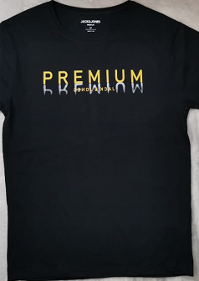 |  | 60%CTN, 40%POLY RECYCLED S/J 160 GSM | BLACK | 400 | 400 | 400 | 400 | 400 |  | 2000 | 20 | 360 | 400
601 TO 618 | 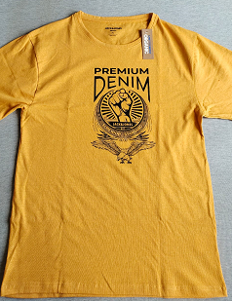 | 214 | 60%CTN, 40%POLY RECYCLED S/J 160 GSM | YELLOW | 300 | 400 | 400 | 300 | 400 |  | 1800 | 18 | 324 | 360
619 TO 620 |  |  |  |  | XS-96 + S-3 + M-1 |  |  | L-88 + S-5 + M-4 + XL-3 | 400 |  | 200 | 2 | 36 | 40
621 TO 640 | 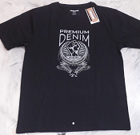 |  | 60%CTN, 40%POLY RECYCLED S/J 160 GSM | BLACK | 400 | 400 | 400 | 400 | 400 |  | 2000 | 20 | 360 | 400
641 TO 658 | 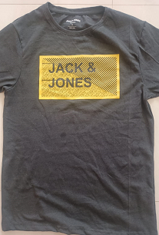 | 215 | 60%CTN, 40%POLY RECYCLED S/J 160 GSM | D/GREY | 400 | 400 | 300 | 400 | 300 | 0 | 1800 | 18 | 324 | 360
659 TO 660 |  |  |  |  |  |  | M-98 + S-1 + L-1 |  | XL-98 + L-2 | 0 | 200 | 2 | 36 | 40
661 TO 680 | 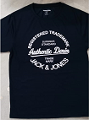 | 216 | 60%CTN, 40%POLY RECYCLED S/J 160 GSM | NAVY | 400 | 400 | 400 | 400 | 400 | 0 | 2000 | 20 | 360 | 400
681 TO 697 |  |  | 60%CTN, 40%POLY RECYCLED S/J 160 GSM | RED | 400 | 400 | 300 | 300 | 300 |  | 1700 | 17 | 306 | 340
698 TO 700 |  |  |  |  |  |  | M-95+ XS-5 | L-97 +XS-3 | XL-92 +XS-6 +S-2 | 0 | 300 | 3 | 54 | 60
701 TO 710 | 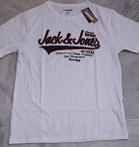 | 217 | 60%CTN, 40%POLY RECYCLED S/J 160 GSM | WHITE | 200 | 200 | 200 | 200 | 200 | 0 | 1000 | 10 | 180 | 200
711 TO 730 | 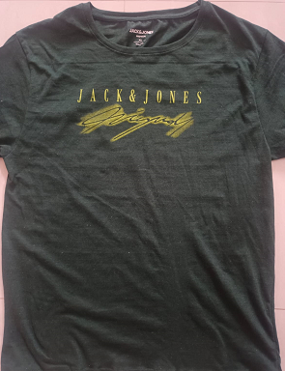 | 218 | 60%CTN, 40%POLY RECYCLED S/J 160 GSM | GREEN | 400 | 400 | 400 | L-300, L-96 + M-4 | 400 |  | 2000 | 20 | 360 | 400
731 TO 750 | 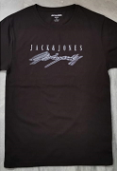 |  | 60%CTN, 40%POLY RECYCLED S/J 160 GSM | C/BROWN | 400 | 400 | 400 | 400 | 400 |  | 2000 | 20 | 360 | 400
751 TO 768 | 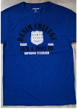 | 219 | 60%CTN, 40%POLY RECYCLED S/J 160 GSM | R/BLUE | 300 | 400 | 400 | 400 | 300 |  | 1800 | 18 | 324 | 360
769 TO 770 |  |  |  |  | XS-97 +S-3 |  |  |  | XL-99 + L-1 |  | 200 | 2 | 36 | 40
771 TO 790 |  |  | 60%CTN, 40%POLY RECYCLED S/J 160 GSM | BLACK | 400 | 400 | 400 | 400 | 400 |  | 2000 | 20 | 360 | 400
791 TO 810 | 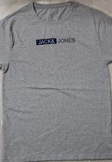 | 220 | 60%CTN, 40%POLY RECYCLED S/J 160 GSM | L/GREY | 400 | 400 | 400 | 400 | 400 |  | 2000 | 20 | 360 | 400
811 TO 830 | 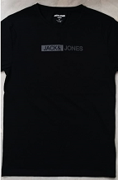 |  | 60%CTN, 40%POLY RECYCLED S/J 160 GSM | BLACK | 400 | 400 | 400 | 400 | 400 |  | 2000 | 20 | 360 | 400
831 TO 850 |  | 221 | 60%CTN, 40%POLY RECYCLED S/J 160 GSM | WHITE | 400 | 400 | 400 | 400 | 400 |  | 2000 | 20 | 360 | 400
851 TO 870 | 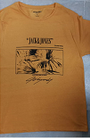 |  | 60%CTN, 40%POLY RECYCLED S/J 160 GSM | YELLOW | 400 | 400 | 400 | 400 | 400 |  | 2000 | 20 | 360 | 400

SHIP RDY QTYS |  |  |  |  | 17400 | 17400 | 17400 | 17400 | 17400 |  | 87000 | 870 | 15660 | 17400
1. CRTN DIMENSHION: 60X40X40CMS
2. TOTAL CRTN : 870 boxes
3. QTYS : 87000 PCS

